Recommendation
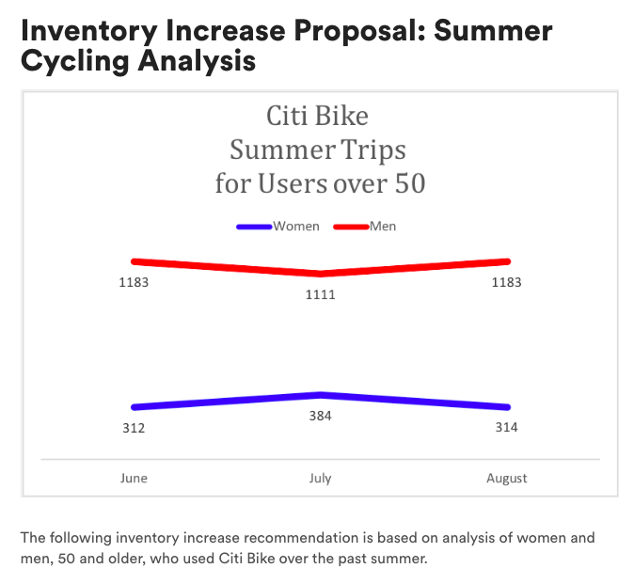
The proposed purchase of 500 bikes should include 387 bikes designed for male riders and 113 bikes designed for female riders. The recommendation is based on analysis of women and men, 50 and older, who used Citi Bike over the past summer. A total of 4,487 bike trips were made and 77% percent of the bike service was utilzed by men. Any increase of bike inventory should reflect the proportional usage.
Citi BikeSummer Trips for Users over 50
 | Women | Men
June | 312 | 1183
July | 384 | 1111
August | 314 | 1183

